Instructions
1) Select appropriate Tab
 | League is used when there is a standard fee per swimmer instead of per entry
 | Standard is used all other meet reports
2) Fill in shaded boxes from Meet Info and from Meet Manager report as indicated
3) From Meet Manager run the report
 | Select Reports/Teams and the Entry Fees Summary Tab
 | Fill out per below -- With correct numbers
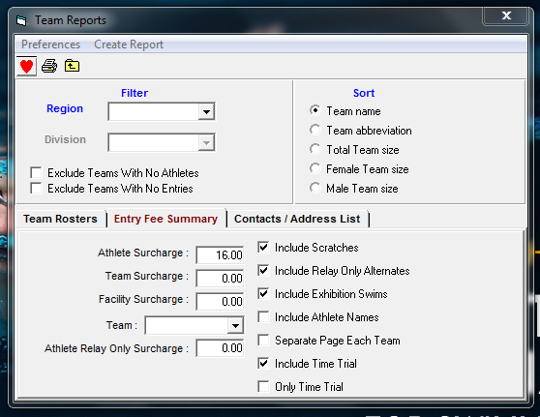

Create Report
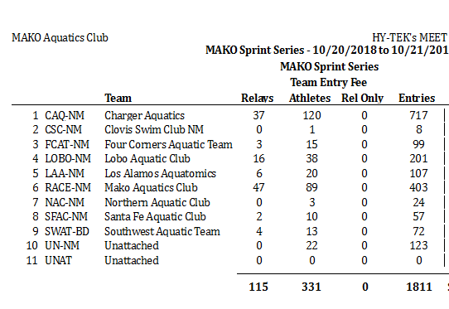

If this was your report:
 | 331 would go in E10 (Standard Meet or League Meet Tab)
 | If you had a report from coaches with Nationals cuts
 |  | Subtract count from Total Athletes
 | 1811 would be in E12 (Standard Meet Tab)
 | 115 would be in E17 (Standard Meet Tab)

