12U
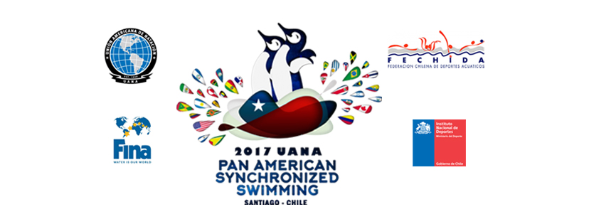

12u-
PLACE | FEDERATION | SOLO | DUET | TEAM | TOTAL
1 | USA | 12 | 18 | 22 | 52
1 | MEXICO | 11 | 17 | 24 | 52
3 | CHILE | 9 | 16 | 20 | 45
4 | ARUBA | 8 | 15 |  | 23
5 | COSTA RICA | 7 | 14 |  | 21
6 | PUERTO RICO | 5 | 13 |  | 18
7 | CANADA | 10 |  |  | 10
8 | PANAMA | 6 |  |  | 6
9 | PERU | 4 |  |  | 4
10 | ARGENTINA |  |  |  | 0
10 | BRASIL |  |  |  | 0
10 | COLOMBIA |  |  |  | 0
10 | EL SALVADOR |  |  |  | 0
10 | URUGUAY |  |  |  | 0
10 | ISLAS VIRGENES |  |  |  | 0

